KT88
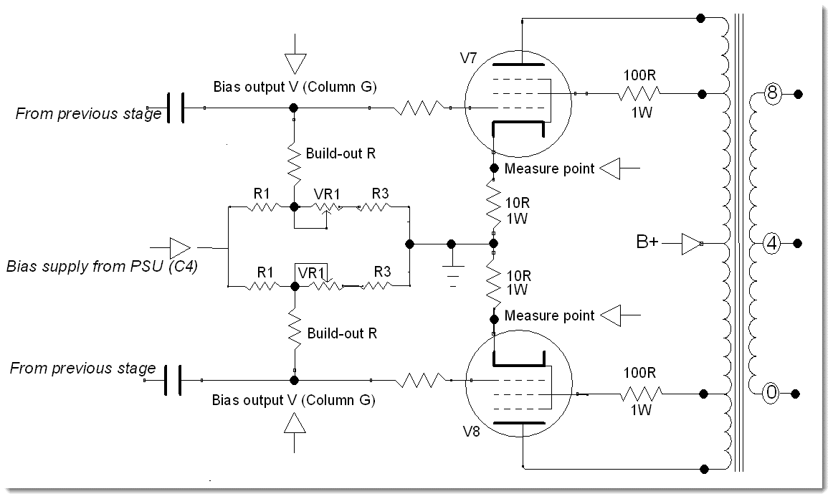
 |  | Step | Total R | Output V | P(R1) | P(R3) | P(pot) | Pot pwr %
Parameter Set Name | KT88 | 0.0 | 24800 | -64.6 | 0.09 | 0.23 | 0.00 | 0.0%
Bias Voltage from PSU | -89 | 0.1 | 27000 | -66.6 | 0.07 | 0.20 | 0.02 | 59.8%
Pot Resistance | 22000 | 0.2 | 29200 | -68.3 | 0.06 | 0.17 | 0.04 | 51.1%
Pot Max Rated Pwr | 0.4 | 0.3 | 31400 | -69.7 | 0.05 | 0.14 | 0.05 | 44.2%
R1 | 6800 | 0.4 | 33600 | -71.0 | 0.05 | 0.13 | 0.06 | 38.6%
R3 | 18000 | 0.5 | 35800 | -72.1 | 0.04 | 0.11 | 0.07 | 34.0%
Build-out R | 68000 | 0.6 | 38000 | -73.1 | 0.04 | 0.10 | 0.07 | 30.2%
Target Output V range | 64 - 77V | 0.7 | 40200 | -73.9 | 0.03 | 0.09 | 0.08 | 27.0%
 |  | 0.8 | 42400 | -74.7 | 0.03 | 0.08 | 0.08 | 24.2%
Rg-k | 108000 | 0.9 | 44600 | -75.4 | 0.03 | 0.07 | 0.08 | 21.9%
(Do Not Exceed 100K for KT88) |  | 1.0 | 46800 | -76.1 | 0.02 | 0.07 | 0.08 | 19.9%

